Project Management
Info
We provide project management services for industrial and process projects, helping you plan, schedule, and deliver work on time and within budget. Our approach combines structured planning with proven tools, so every project has clear timelines, defined responsibilities, and early visibility of risks. From the first project plan to the final handover, we keep scope, cost, materials, and schedule aligned with your objectives. Because we also offer engineering, procurement, and logistics support, planning and execution stay connected rather than being managed in separate silos.

Why Project Management is necessary
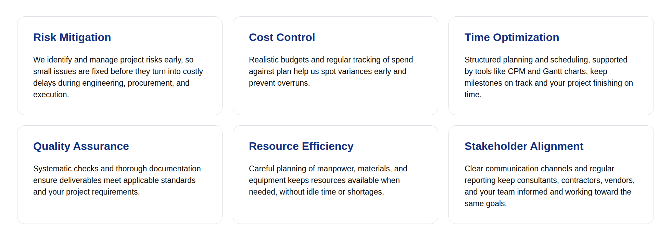

Services
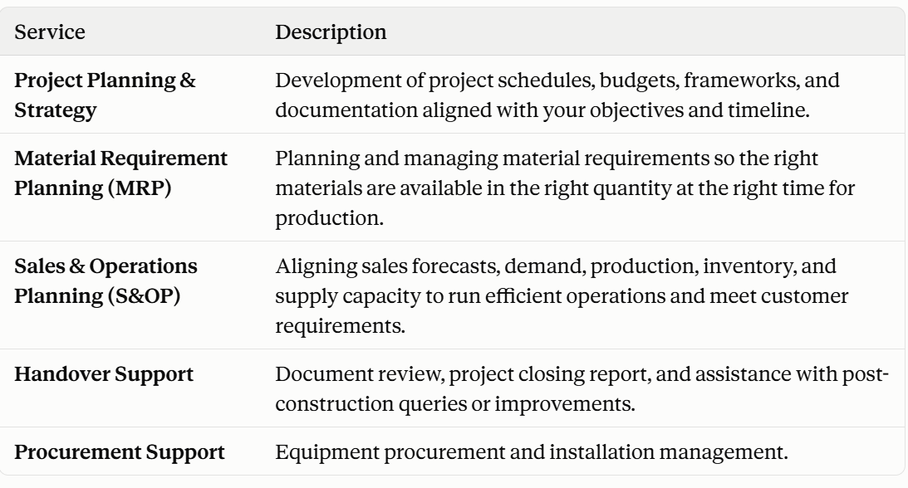
Tools we use
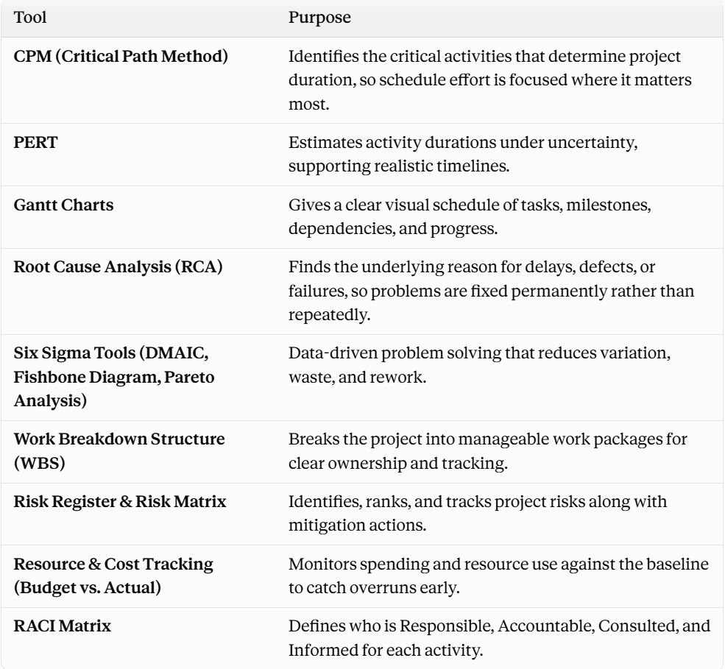
Methadology

As an industrial and commercial project management consultant, our process begins with understanding your project requirements, defining responsibilities, and setting up clear communication channels. Throughout the project, we track progress, monitor procurement activities, and support design reviews and site execution to keep delivery smooth. -Defining scope, project expectations, timelines, and procurement strategy -Preparing detailed schedules, budgets, and documentation -Coordinating across consultants, contractors, vendors, and regulatory bodies -Conducting technical assessments -Providing ongoing site-level guidance and compliance monitoring

Logistics
Info
For most industrial companies, the biggest logistics challenge is dealing with freight forwarders: comparing quotes, booking trucks, chasing updates, sorting out documents, and fixing problems when a shipment is delayed. It takes up time your team would rather spend on running the business. Instead of managing multiple forwarders yourself, you hand the entire logistics part to us. We book the freight forwarder, arrange the transport, and coordinate with them end to end, from pickup to final delivery, and keep you updated along the way. Behind the coordination is proper logistics planning. We plan efficient routes to cut travel time, distance, and fuel costs, and we optimize truck loads so every shipment uses vehicle capacity well while cargo stays safe. The result is lower transportation costs, fewer delays, and one point of contact for your shipments.

Services Provided
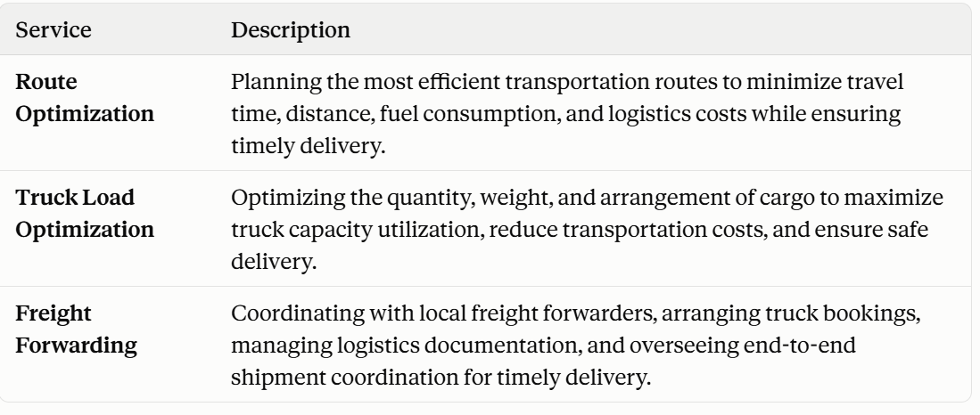

Approch

We start by understanding your shipments: what is being moved, how much it weighs, where it is going, and when it must arrive. We also note any special handling needs, such as fragile or oversized equipment, so the plan fits the cargo from the beginning. Next, we plan the movement. We identify the most efficient route and work out how to load the cargo so the truck is used well without compromising safety. Once the plan is ready, we select and book a suitable freight forwarder, arrange the truck, and prepare the required logistics documents. From dispatch to delivery, we stay in contact with the forwarder, track progress, and resolve issues as they come up. You do not have to chase anyone. We keep you informed and make sure the shipment reaches its destination on time. -Study of shipment details, delivery schedule, and special handling needs -Route planning to reduce travel time, distance, and fuel cost -Truck load planning for better capacity use and safe transport -Selection and booking of freight forwarders -Truck booking and preparation of logistics documentation -End-to-end coordination and tracking until delivery -Single point of contact and regular status updates for you

Why us
One Point of Contact You no longer need to deal with multiple freight forwarders. We handle all communication and coordination, so you have one team to call for every shipment. End-to-End Coordination From booking the forwarder to final delivery, we follow the shipment through each step, which reduces missed handovers and delays. Lower Transportation Costs Optimized routes and well-planned truck loads cut fuel use and avoid paying for unused vehicle space. Safe, Timely Delivery Careful load arrangement and active follow-up help cargo arrive safely and on schedule. Organized Documentation We manage the logistics paperwork, so shipments move without avoidable errors or hold-ups. Time Saved for Your Team Your engineers and project staff stay focused on their core work while we manage the logistics. Integrated Project Support Because we also support procurement and engineering, logistics can be planned together with purchasing and delivery schedules, so materials arrive when your project needs them.

Electrical Engineering
Info
We help industrial facilities run safer, smarter, and more reliably through end-to-end electrical engineering consultancy. We provide electrical engineering consultancy for industrial facilities, covering the full journey from load planning and system design to procurement support and handover. Our engineers focus on practical, standards-compliant designs that keep power distribution safe, efficient, and dependable across every operational zone. From load estimation and single-line diagrams to cable sizing, earthing, and lighting design, each deliverable is prepared around the specific needs of your site. We back our designs with proper calculations and industry standards, so your facility runs with fewer interruptions and lower energy costs. Our support doesn't stop at drawings. We help you source the right suppliers, evaluate bids technically, and hand over complete documentation and operator training, so your team is ready to run and maintain the system with confidence.

Services Covered
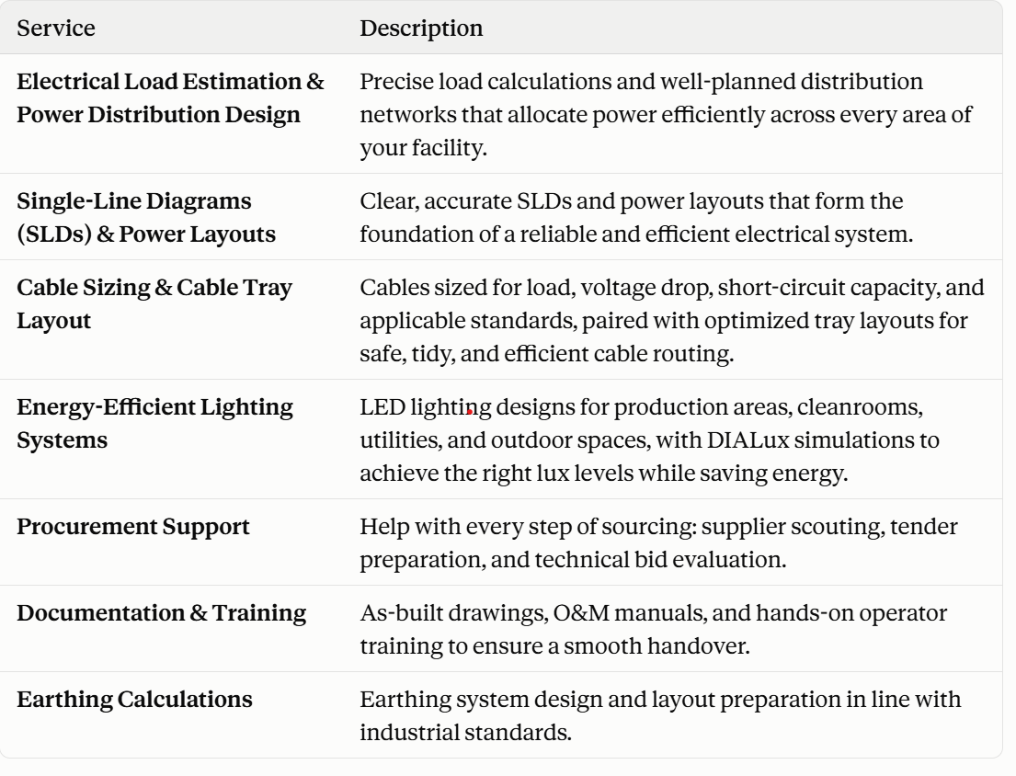

Approch
Every project starts with understanding your facility. We study your load demands, process dependencies, and compliance needs first, then build system designs that are safe, dependable, and ready to scale as your operations grow. Our work is methodical and detail-driven, shaped around what each project actually requires. We plan closely with other engineering disciplines and rely on modern digital design tools, so the electrical systems fit cleanly into the wider facility without clashes or rework. -Understanding project requirements and assessing electrical loads -Designing systems in line with safety codes and utility requirements -Coordinating with other disciplines through digital design tools -Preparing material and equipment specifications to simplify procurement -Providing technical support through installation and testing

Why us
Proven Expertise in Mechanical and Electrical Engineering Our team brings years of hands-on experience across a wide range of industries. We combine deep technical knowledge with practical, real-world insight, so every solution accounts for the interfaces between mechanical, electrical, and related disciplines. Multidisciplinary Approach Most electrical engineering firms work in a single discipline. We deliver integrated solutions across electrical, instrumentation, automation, and ELV systems. Keeping everything under one roof closes coordination gaps and makes system integration smooth from the start. Commitment to Standards & Quality Each project goes through thorough quality checks and follows applicable international codes and standards. Our documentation is prepared to satisfy regulated industries and validation authorities. Technology Partnership We work closely with leading technology providers and equipment manufacturers, so our clients can take advantage of the latest developments in electrical engineering, computing, and automation. Value Engineering Focus Good design balances performance with cost. We look for ways to optimize your system and reduce spend, without ever compromising safety, reliability, or regulatory compliance. Responsive Client Service You get a dedicated project manager, clear lines of communication, and a team that solves problems before they escalate. We stay accessible whenever you need us, which is why clients see us as a dependable electrical engineering partner. Post-Project Support Our involvement continues after handover. We offer ongoing technical support, design clarifications, and help with plant expansions or modifications.

F&Q
1. What electrical engineering services do you offer? We provide electrical engineering consultancy for industrial facilities. Our services include load estimation and power distribution design, single-line diagrams and power layouts, cable sizing and cable tray layouts, energy-efficient lighting design, earthing calculations, procurement support, and documentation and training.

2. Do you work only on new projects, or also on existing facilities? Both. We can design systems for new facilities and support expansions or modifications to existing ones, such as reassessing loads, updating SLDs, or redesigning layouts.

3. Why is electrical load estimation important? Accurate load estimation ensures your power system is neither undersized nor oversized. Undersized systems risk overloads and downtime, while oversized ones waste capital and energy. A proper load study lets us allocate power efficiently across every operational zone.

4. What is a Single-Line Diagram (SLD), and why do I need one? An SLD is a simplified drawing showing how power flows from the source through transformers, panels, and feeders to the connected loads. It is the foundation for design, procurement, installation, safety reviews, and future maintenance.

5. How do you size cables for a project? We size cables based on load current, voltage drop, short-circuit capacity, and applicable standards. This keeps cables safe, efficient, and reliable throughout their service life.

6. What does cable tray layout design include? We plan tray routes so cables are organized, safely separated, and easy to install and maintain. A good layout also reduces clashes with other services on site.

7. Why are earthing calculations necessary? A properly designed earthing system protects people and equipment from fault currents and lightning, and helps protective devices operate correctly. We design the earthing system and prepare layouts in line with industrial standards.

8. Do you design lighting for specialized areas like cleanrooms? Yes. We design LED lighting for production areas, cleanrooms, utilities, and outdoor spaces. Using DIALux analysis, we achieve the right lux levels for each area while keeping energy consumption low.

9. What documentation do you provide at project handover? We prepare as-built drawings and O&M (Operation & Maintenance) manuals, and we conduct operator training so your team can run and maintain the system confidently.

10. How do I get started? Share your project details, such as facility type, expected loads, and available drawings, through our contact form or by email. We will review your requirements and propose a scope of work.

11. Can you support a project that is already underway? Yes. We can step in at different stages, for example to prepare calculations, review layouts, or support procurement and documentation.

12. What electrical codes and standards do you follow?
We design in accordance with Indian Standards (IS), International Electrotechnical Commission (IEC), National Electrical Code (NEC), National Fire Protection Association (NFPA), and industry-specific standards like GAMP for pharmaceuticals. We also ensure compliance with local authority regulations and client-specific standards.

Instrumentation Engineering
Info
We provide instrumentation engineering consultancy for industrial and process facilities, covering the full chain from instrument selection and control documentation to operator interfaces and validation. Our designs are built to give you accurate measurement, dependable control, and clear visibility of your process. From SCADA screens and loop diagrams to interlocking logic and FAT/SAT support, every deliverable is prepared around your process requirements and the standards of your industry. The result is a control system that is safe to operate, easy to maintain, and ready for audits in regulated environments.

Services Covered
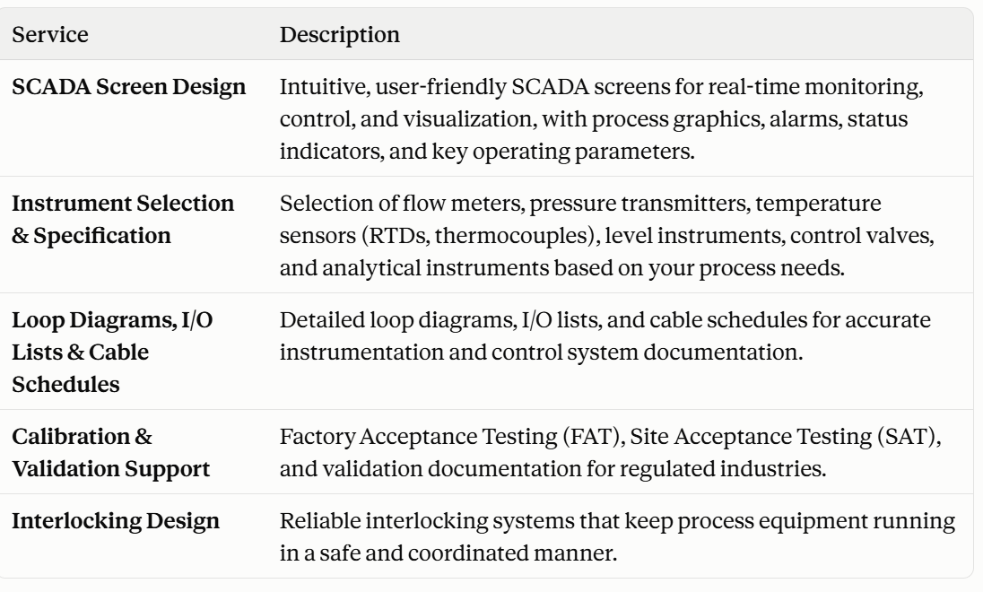

Approach

We start by understanding your process: what needs to be measured, controlled, and protected, and under what operating and regulatory conditions. From there, we develop instrumentation and control designs that are accurate, safe, and easy for your team to operate and maintain. Throughout the project, we coordinate with electrical, automation, and process teams so that instruments, control panels, and cabling fit together cleanly. Clear documentation at every stage keeps procurement, testing, and handover smooth. Process requirement study and control philosophy review Instrument selection and specification based on process conditions Preparation of loop diagrams, I/O lists, and cable schedules SCADA screen design and interlocking logic development FAT, SAT, and validation documentation support

Why us

Process-Driven Instrument Selection We select instruments based on your actual process conditions, not catalog defaults. This improves measurement accuracy, reliability, and long-term performance. Clear, Accurate Documentation Our loop diagrams, I/O lists, and cable schedules are prepared with care, reducing errors during procurement, installation, and commissioning. Operator-Friendly SCADA Design We design screens that operators can understand at a glance, with clean process graphics, meaningful alarms, and the right information in the right place. Safety-Focused Interlocking Our interlocking designs prioritize safe, coordinated equipment operation, helping protect your people, process, and assets. Validation-Ready for Regulated Industries Our FAT, SAT, and validation documentation is prepared to meet the expectations of regulated industries and validation authorities. Integrated Engineering Support Because we also handle electrical engineering, your instrumentation and power design stay coordinated, which closes interface gaps and avoids rework.

F&Q
1. What instrumentation engineering services do you offer? We provide instrumentation engineering consultancy for industrial and process facilities. Our services include SCADA screen design, instrument selection and specification, loop diagrams, I/O lists and cable schedules, calibration and validation support (FAT and SAT), and interlocking design.

2. Do you work on new projects only, or also on existing plants? Both. We can design instrumentation and control systems for new facilities, and support upgrades or modifications to existing plants, such as updating documentation, revising SCADA screens, or reviewing interlocks.

3. What is SCADA, and why does screen design matter? SCADA (Supervisory Control and Data Acquisition) is the system operators use to monitor and control a process in real time. Well-designed screens help operators understand the process at a glance and respond quickly to abnormal conditions, which improves both safety and efficiency.

4. What do your SCADA screens include? Our screens include clear process graphics, alarms, status indicators, and the key operating parameters operators need. The focus is on a clean, user-friendly layout that supports real-time monitoring and control.

5. What is interlocking, and why is it important? Interlocking is control logic that ensures equipment operates in a safe, coordinated sequence. For example, it can prevent a pump from starting when a valve is closed or a tank level is too low. Good interlock design protects people, equipment, and the process.

6. How do you select instruments for a project? We select instruments based on your process requirements, including operating conditions and the measurement needed. Our scope covers flow meters, pressure transmitters, temperature sensors (RTDs and thermocouples), level instruments, control valves, and analytical instruments.

7. What is the difference between loop diagrams, I/O lists, and cable schedules? A loop diagram shows the complete wiring and connections for a single instrument loop. An I/O list records every input and output signal in the control system. A cable schedule lists each cable, its route, and its termination points. Together they form the core documentation for installation, commissioning, and maintenance.

8. Why is accurate instrumentation documentation important? Accurate documents reduce errors during procurement, installation, and commissioning. They also make troubleshooting and future modifications much easier for your maintenance team.

9. Do you support validation for regulated industries? Yes. We prepare FAT, SAT, and validation documentation to meet the expectations of regulated industries and validation authorities.

10. How do I get started? Share your project details, such as process description, P&IDs, and any existing documents, through our contact form or by email. We will review your requirements and propose a scope of work.

11. Do you coordinate with your electrical engineering services? Yes. Since we also provide electrical engineering, we can coordinate instrumentation and power design together, which reduces interface gaps and rework.

Mechanical Engineering
Info
We provide mechanical engineering consultancy for industrial and process facilities, covering process drawings, equipment design, piping supports, material selection, and HVAC planning. Our designs are built to be safe, reliable, and practical to fabricate, so your project moves smoothly from concept to execution. Every deliverable is prepared around your process requirements and applicable ASME and Indian Standards. From P&IDs and PFDs to equipment drafting, BOMs, and ducting layouts, we focus on clear, accurate documentation that fabricators, procurement teams, and site engineers can work from without confusion or repeated clarifications. Our engineering decisions are backed by analysis, not assumptions. Whether we are selecting a material for a corrosive service, positioning anchors to control pipe stress, or sizing an HVAC system for a controlled area, we consider how the design will perform in real operating conditions, not just on paper. The result is mechanical systems that are compliant, dependable, and easier to maintain over their working life.

Services Covered
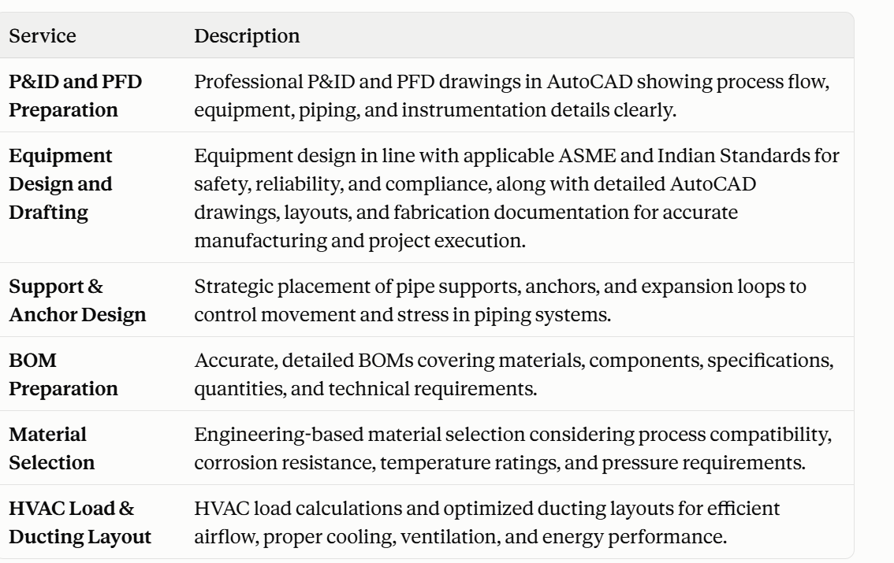
Plant Layouts

Approch
Project begins with understanding your process: the fluids handled, operating temperatures and pressures, capacity requirements, and the standards your facility must meet. We review the design basis carefully before drawing a single line, so that early decisions hold up through the rest of the project. From there, we develop mechanical designs that balance safety, code compliance, and practicality. Materials are chosen after evaluating process compatibility, corrosion resistance, temperature ratings, and pressure requirements. Equipment, supports, and layouts are designed to be manufacturable, easy to install, and straightforward to maintain. Throughout the project, we coordinate with electrical, instrumentation, and process teams so that equipment, piping, ducting, and utilities fit together without clashes. Clear drawings, BOMs, and fabrication documentation at every stage keep procurement and execution on schedule and reduce costly rework. -Process requirement study and design basis review -P&ID and PFD development with clear process, equipment, and instrumentation details -Material selection based on process compatibility, corrosion, temperature, and pressure analysis -Equipment design as per applicable ASME and Indian Standards -Pipe support, anchor, and expansion loop design to control movement and stress -Preparation of AutoCAD drawings, fabrication documents, and detailed BOMs

Why us
Standards-Compliant Equipment Design Our equipment designs follow applicable ASME and Indian Standards, so you get safe, reliable, and compliant equipment that stands up to inspection and audit. Clear, Fabrication-Ready Drawings Our AutoCAD drawings, layouts, and fabrication documents are detailed and accurate, so manufacturers and site teams can work from them without repeated clarifications or rework. Engineering-Based Material Selection We choose materials only after analyzing process compatibility, corrosion resistance, temperature ratings, and pressure requirements. This helps prevent premature failures and costly replacements. Stress-Aware Piping Support Design Our support, anchor, and expansion loop placement is planned to control movement and stress, protecting your piping and connected equipment over the long term. Accurate BOMs for Smooth Procurement Our BOMs cover materials, components, specifications, and quantities in detail, which reduces ordering errors, shortages, and delays. Efficient HVAC Planning We prepare HVAC load calculations and optimized ducting layouts that deliver proper cooling, ventilation, and airflow while keeping energy use in check. Integrated Engineering Support Because we also offer electrical and instrumentation engineering, your mechanical, power, and control designs stay coordinated. This closes interface gaps and avoids clashes on site.

F&Q
1. What mechanical engineering services do you offer? We provide mechanical engineering consultancy for industrial and process facilities. Our services include P&ID and PFD preparation, equipment design and drafting, pipe support and anchor design, BOM preparation, material selection, and HVAC load calculation and ducting layout.

2. Which industries do you serve? We work with industrial and process facilities where equipment, piping, and HVAC systems must meet strict safety and quality requirements. Our designs are tailored to the process and standards of each project.

3. What is the difference between a PFD and a P&ID? A PFD (Process Flow Diagram) gives a high-level view of the process, showing major equipment, main flow paths, and key operating conditions. A P&ID (Piping and Instrumentation Diagram) goes into detail, showing piping, valves, instruments, and control connections. The PFD explains how the process works, while the P&ID is used for design, construction, and operation.

4. Which standards do you follow for equipment design? We design equipment in accordance with applicable ASME and Indian Standards, ensuring safety, reliability, and compliance.

5. What drawings and documents do you provide for equipment? We prepare detailed AutoCAD drawings, layouts, and fabrication documentation so that manufacturers can build the equipment accurately and project execution stays on track.

6. Can you prepare drawings in AutoCAD for our existing equipment? Yes. We can prepare or update drawings and layouts for existing equipment based on the information you share. Contact us with your requirements and we will confirm the scope.

7. How do you select materials for a project? We evaluate process compatibility, corrosion resistance, temperature ratings, and pressure requirements before recommending a material. This ensures the material performs safely and economically over its service life.

8. What does your BOM include? Our BOMs list materials, components, specifications, quantities, and technical requirements. This gives procurement teams the information they need to order accurately.

9. What does your HVAC service cover? We carry out HVAC load calculations and prepare optimized ducting layouts to support efficient airflow, proper cooling, ventilation, and energy performance.

10. Why is HVAC load calculation important? An accurate load calculation ensures the system is sized correctly. Undersized systems fail to maintain required conditions, while oversized ones waste energy and increase costs.

11. How do I get started? Share your project details, such as process description, existing drawings, and design requirements, through our contact form or by email. We will review them and propose a scope of work.

